Weekly Progress Report
MODON - Weekly Progress Report - Construction Projects |  |  |  |  |  |  |  |  |  |  |  | Dashboard 13-Oct-2026 |  |  |  |  |  |  |  |  |  |  |  |  |  |  | Report No. | 47 |  |  | Data Date | 13-Oct-26
Contract General Information |  |  |  |  |  | Key Dates |  |  |  |  |  | Cost Summary (SR) |  |  |  |  |  |  |  | Performance Summary |  |  |  |  |  | Project Scope
Project Name | INFRASTRUCTURE DEVELOPMENT FOR INDUSTRIAL CITY 1 IN JEDDAH |  |  |  |  | Contract Award | 2-Nov-25 | Contract Award (Hijri) | 02/11/2025 | Revised Completion | 18-Nov-27 | Original Contract Value |  | 86,782,345 |  | O&M Value (if any) |  | 0 |  | Plan Value | 52.70% | Phys. Plan Value | 46.20% | Quality Score | 85.21% | The Scope of Works for the INFRASTRUCTURE DEVELOPMENT FOR INDUSTRIAL CITY 1 IN JEDDAH. This construction works includes but not limited to the followings: (Road works - Storm network - Sewer Network - Potable water network - TSE network - Electrical works - Fence - Bridge - Landscape works)
Project ID | JDH1-02-003 |  | Stage | Construction |  | Contract Sign | 13-Nov-25 | Contract Sign (Hijri) | 13/11/2025 | Committed Completion | 18-Nov-27 | Revised Contract Value |  | 86,782,345 |  | Submitted Invoices (Gross Value) |  | 44,851,849 |  | Earn Value | 78.26% | Phys. Earn Value | 72.35% |  | ¢¢¢¢¢ ¢¢¢££
Contractor | Al Enjaz Company for Trading and Contracting |  | Status | Active |  | Site Handover | 19-Nov-25 | Site Handover (Hijri) | 19/11/2025 | Forecast Completion | 13-May-28 | Estimate At Completion Value |  | 86,782,345 |  | Penalities |  | 0 |  | Variance | 25.56% | Variance | 26.14% | Safety Score | 85.87%
Consultant | Saudi Arabia Consulting Engineering Company "EGIS" |  | Modon PM | Engr.Abdallah Aljulayfi |  | Original Completion | 18-Nov-27 | Original Completion (Hijri) | 18/11/2027 | Variance | (177) | Potential Changes |  | 0 |  | FIR Value (Todate) |  | 56,765,678 |  | FIR % | 65.41% | Invoiced % | 51.68% |  | ¢¢¢¢¢ ¢¢¢££

Progress Overview
Earned Value Progress (SAR) |  |  |  |  |  |  |  |  |  |  |  |  |  | Physical Progress (Effort) |  |  |  |  |  |  |  |  |  |  |  | Earned Value Progress (%)
WBS |  | BOQ Value (SAR) | % Wt. | Weekly (SAR) |  | To Date (SAR) |  |  |  |  |  |  |  | Budgeted | % Wt. | Weekly Physical Progress |  |  |  | To Date Physical Progress
 |  |  |  | Planned | Earned | Original Plan | Revised Planned | Earned | Original Plan % | Revised Planned % | Earned % | Variance | SPI | (Manhours) |  | Planned | Earned | Plan % | Earned % | Planned | Earned | Plan % | Earned % | Variance | SPI
 |  | - | 0.0% | 250,547 | 3,266 | 2,119,816 | 2,119,816 | 5,352,416 | 0.0% | 0.0% | 0.0% | 0.0%
Mobilization |  | - | 0.0% | - | - | - | - | - | 0.0% | 0.0% | 0.0% | 0.0% |  | 20,050 | 2.8% | - | - | 0.0% | 0.0% | 20,050 | 20,050 | 100.0% | 100.0% | 0.0% | 1.00
Engineering |  | 2,601,460 | 3.0% | - | - | 2,601,460 | 2,601,460 | 2,579,200 | 100.0% | 100.0% | 99.1% | -0.9% | 0.99 | 33,415 | 4.7% | - | - | 0.0% | 0.0% | 33,415 | 33,009 | 100.0% | 98.8% | -1.2% | 0.99
Procurement |  | 17,355,662 | 20.0% | 129,608 | 49,728 | 13,492,073 | 13,492,073 | 15,529,380 | 77.7% | 77.7% | 89.5% | 11.7% | 1.15 | 82,414 | 11.5% | - | - | 0.0% | 0.0% | 35,844 | 65,032 | 43.5% | 78.9% | 35.4% | 1.81
Construction |  | 58,147,531 | 67.0% | 496,291 | 449,813 | 29,638,879 | 29,638,879 | 44,382,214 | 51.0% | 51.0% | 76.3% | 25.4% | 1.50 | 545,268 | 76.3% | 5,446 | 4,551 | 1.0% | 0.8% | 240,847 | 388,213 | 44.2% | 71.2% | 27.0% | 1.61
Site Demolition |  | 279,943 | 0.3% | - | - | 279,943 | 279,943 | 279,943 | 100.0% | 100.0% | 100.0% | 0.0% | 1.00 | 7,350 | 1.0% | - | - | 0.0% | 0.0% | 7,350 | 7,350 | 100.0% | 100.0% | 0.0% | 1.00
Roads & Meduim Voltage |  | 11,810,039 | 13.6% | - | - | 11,810,039 | 11,810,039 | 8,650,439 | 100.0% | 100.0% | 73.2% | -26.8% | 0.73 | 100,175 | 14.0% | - | - | 0.0% | 0.0% | 100,175 | 73,591 | 100.0% | 73.5% | -26.5% | 0.73
Deep Infrastructure network |  | 10,009,830 | 11.5% | 12,252 | 3,815 | 9,958,787 | 9,958,787 | 9,743,501 | 99.5% | 99.5% | 97.3% | -2.2% | 0.98 | 54,025 | 7.6% | - | - | 0.0% | 0.0% | 54,025 | 51,821 | 100.0% | 95.9% | -4.1% | 0.96
Shallow infrastructure network |  | 12,539,076 | 14.4% | 161,781 | 64,400 | 2,810,928 | 2,810,928 | 10,354,514 | 22.4% | 22.4% | 82.6% | 60.2% | 3.68 | 198,577 | 27.8% | 4,602 | 1,607 | 2.3% | 0.8% | 38,520 | 153,010 | 19.4% | 77.1% | 57.7% | 3.97
Bridge |  | 2,513,307 | 2.9% | 15,291 | - | 1,320,007 | 1,320,007 | 1,830,343 | 52.5% | 52.5% | 72.8% | 20.3% | 1.39 | 14,022 | 2.0% | 171 | - | 1.2% | 0.0% | 7,550 | 12,207 | 53.8% | 87.1% | 33.2% | 1.62
Outside Boundary Area (Tie-in Lines) |  | 2,681,726 | 3.1% | 56,419 | - | 1,339,359 | 1,339,359 | 2,663,147 | 49.9% | 49.9% | 99.3% | 49.4% | 1.99 | 19,949 | 2.8% | 522 | - | 2.6% | 0.0% | 9,252 | 19,885 | 46.4% | 99.7% | 53.3% | 2.15
Roads Finishing |  | 8,138,565 | 9.4% | - | 378,333 | - | - | 5,507,911 | 0.0% | 0.0% | 67.7% | 67.7% |  | 65,952 | 9.2% | - | 2,854 | 0.0% | 4.3% | - | 44,922 | 0.0% | 68.1% | 68.1%
Fence and Gate |  | 8,127,692 | 9.4% | 250,547 | 3,266 | 2,119,816 | 2,119,816 | 5,352,416 | 26.1% | 26.1% | 65.9% | 39.8% | 2.52 | 43,715 | 6.1% | 150 | 90 | 0.3% | 0.2% | 23,975 | 25,427 | 54.8% | 58.2% | 3.3% | 1.06
Roundabout & Landscape |  | 2,047,353 | 2.4% | - | - | - | - | - | 0.0% | 0.0% | 0.0% | 0.0% |  | 41,503 | 5.8% | - | - | 0.0% | 0.0% | - | - | 0.0% | 0.0% | 0.0%
Testing & Commissioning |  | 8,677,691 | 10.0% | - | 60,249 | - | - | 5,426,563 | 0.0% | 0.0% | 62.5% | 62.5% |  | 20,050 | 2.8% | - | 236 | 0.0% | 1.2% | - | 10,647 | 0.0% | 53.1% | 53.1%
Project Close-out |  | - | 0.0% | - | - | - | - | - | 0.0% | 0.0% | 0.0% | 0.0% |  | 13,364 | 1.9% | - | - | 0.0% | 0.0% | - | - | 0.0% | 0.0% | 0.0%
Physical Progress - Effort
 | Baseline Plan | Revised / Recovery Plan | Earned Effort % | Forecast
30-Nov-25 | 0.75% | 0.75% | 1.57%
31-Dec-25 | 4.92% | 4.92% | 8.29%
28-Jan-26 | 9.07% | 9.07% | 15.54%
28-Feb-26 | 12.48% | 12.48% | 21.56%
31-Mar-26 | 15.11% | 15.11% | 27.44%
30-Apr-26 | 19.22% | 19.22% | 36.40%
31-May-26 | 22.66% | 22.66% | 42.50%
30-Jun-26 | 27.38% | 27.38% | 48.65%
31-Jul-26 | 32.53% | 32.53% | 59.45%
31-Aug-26 | 39.24% | 39.24% | 68.22%
30-Sep-26 | 46.25% | 46.25% | 71.30%
31-Oct-26 | 50.68% | 50.68% | 72.75% | 73.6%
30-Nov-26 | 56.23% | 56.23% |  | 74.6%
31-Dec-26 | 62.72% | 62.72% |  | 75.7%
31-Jan-27 | 68.52% | 68.52% |  | 76.7%
28-Feb-27 | 72.79% | 72.79% |  | 77.8%
31-Mar-27 | 77.62% | 77.62% |  | 79.4%
30-Apr-27 | 80.67% | 80.67% |  | 80.5%
31-May-27 | 84.98% | 84.98% |  | 83.3%
30-Jun-27 | 88.98% | 88.98% |  | 85.9%
31-Jul-27 | 91.38% | 91.38% |  | 87.5%
31-Aug-27 | 93.89% | 93.89% |  | 89.0%
30-Sep-27 | 96.84% | 96.84% |  | 90.1%
31-Oct-27 | 99.21% | 99.21% |  | 92.1%
30-Nov-27 | 100.00% | 100.00% |  | 93.5%
30-Dec-27 |  |  |  | 96.3%
 | Total | 86,782,345 | 100.0% | 1,122,189 | 571,022 | 45,732,412 | 45,732,412 | 67,917,358 | 52.70% | 52.70% | 78.26% | 25.56% | 1.49 | 714,561 | 100.0% | 5,446 | 4,786 | 0.76% | 0.67% | 330,155 | 516,951 | 46.20% | 72.35% | 26.14% | 1.57
Earned Value - Cost
 | Baseline Plan | Revised / Recovery Plan | Earned Value | Forecast | Gross Paid Value
30-Nov-25 | 0.00% |  | 0.24% |  | 0.00%
31-Dec-25 | 1.09% |  | 5.27% |  | 0.00%
28-Jan-26 | 4.00% |  | 13.44% |  | 0.00%
28-Feb-26 | 7.30% |  | 21.35% |  | 0.00%
31-Mar-26 | 8.20% |  | 27.59% |  | 0.00%
30-Apr-26 | 15.14% |  | 38.66% |  | 0.00%
31-May-26 | 21.03% |  | 46.24% |  | 0.00%
30-Jun-26 | 28.35% |  | 53.62% |  | 0.00%
31-Jul-26 | 35.15% |  | 62.63% |  | 0.00%
31-Aug-26 | 43.64% |  | 72.04% |  | 0.00%
30-Sep-26 | 51.33% |  | 76.51% |  | 0.00%
31-Oct-26 | 53.90% |  | 78.26% | 78.93% | 0.00%
30-Nov-26 | 60.43% |  |  | 79.63%
31-Dec-26 | 65.85% |  |  | 80.38%
31-Jan-27 | 68.68% |  |  | 82.01%
28-Feb-27 | 71.68% |  |  | 82.29%
31-Mar-27 | 76.02% |  |  | 84.14%
30-Apr-27 | 78.69% |  |  | 85.30%
31-May-27 | 81.45% |  |  | 86.98%
30-Jun-27 | 85.15% |  |  | 88.29%
31-Jul-27 | 87.10% |  |  | 89.94%
31-Aug-27 | 93.17% |  |  | 91.19%
30-Sep-27 | 96.02% |  |  | 92.40%
31-Oct-27 | 100.00% |  |  | 94.06%
30-Nov-27 |  |  |  | 96.88%
30-Dec-27 |  |  |  | 98.22%
30-Jan-28
29-Feb-28
30-Mar-28
30-Apr-28
 |  |  |  |  |  |  |  |  |  |  |  |  |  |  |  |  |  |  |  |  |  |  |  |  |  | Construction Milestones
 |  |  |  |  |  |  |  |  |  |  |  |  |  |  |  |  |  |  |  |  |  |  |  |  |  | Item No. | Milestones |  | Original (Baseline) | Latest Plan | Forecast | Status | Days Change
 |  |  |  |  |  |  |  |  |  |  |  |  |  |  |  |  |  |  |  |  |  |  |  |  |  | 1 | Project Finish |  | 6-May-28 | 13-May-28 | 13-May-28 | F | (7)
 |  |  |  |  |  |  |  |  |  |  |  |  |  |  |  |  |  |  |  |  |  |  |  |  | #REF! | 2 | Project Start |  | 19-Nov-25 | 19-Nov-25 | 19-Nov-25 | A | 0
 |  |  |  |  |  |  |  |  |  |  |  |  |  |  |  |  |  |  |  |  |  |  |  |  | #REF! | 3 | Finish Mobilization |  | 4-Mar-26 | 4-Mar-26 | 4-Mar-26 | A | 0
 |  |  |  |  |  |  |  |  |  |  |  |  |  |  |  |  |  |  |  |  |  |  |  |  | #REF! | 4 | Finish Baseline Time Schedule |  | 18-Dec-25 | 18-Dec-25 | 18-Dec-25 | A | 0
 |  |  |  |  |  |  |  |  |  |  |  |  |  |  |  |  |  |  |  |  |  |  |  |  | #REF! | 5 | Finish Submission and Approval for Shop Drawings, Method of Statement, Prequalification and Materials |  | 24-Oct-26 | 31-Oct-26 | 31-Oct-26 | F | (7)
 |  |  |  |  |  |  |  |  |  |  |  |  |  |  |  |  |  |  |  |  |  |  |  |  | #REF! | 6 | Finish PO for Short Lead Item & Long Lead Item |  | 18-Oct-26 | 25-Oct-26 | 25-Oct-26 | F | (7)
 |  |  |  |  |  | 20000000 |  |  |  |  |  |  |  |  |  |  |  |  |  |  |  |  |  |  | #REF! | 7 | Completion of Roads & Meduim Voltage |  | 4-Jan-27 | 11-Jan-27 | 11-Jan-27 | F | (7)
 |  |  |  |  |  |  |  |  |  |  |  |  |  |  |  |  |  |  |  |  |  |  |  |  |  | 8 | Completion of Deep infrastructure network |  | 5-Jun-27 | 12-Jun-27 | 12-Jun-27 | F | (7)
 |  |  |  |  |  |  |  |  |  |  |  |  |  |  |  |  |  |  |  |  |  |  |  |  |  | 9 | Completion of Shallow infrastructure network |  | 18-Sep-27 | 26-Sep-27 | 26-Sep-27 | F | (8)
 |  |  |  |  |  |  |  |  |  |  |  |  |  |  |  |  |  |  |  |  |  |  |  |  | #REF! | 10 | Completion all Works |  | 6-May-28 | 13-May-28 | 13-May-28 | F | (7)
 |  |  |  |  |  |  |  |  |  |  |  |  |  |  |  |  |  |  |  |  |  |  |  |  | #REF!
 |  |  |  |  |  |  |  |  |  |  |  |  |  |  |  |  |  |  |  |  |  |  |  |  | #REF!
 |  |  |  |  |  |  |  |  |  |  |  |  |  |  |  |  |  |  |  |  |  |  |  |  | #REF!
 |  |  |  |  |  |  |  |  |  |  |  |  |  |  |  |  |  |  |  |  |  |  |  |  | #REF!
 |  |  |  |  |  | 20000000 |  |  |  |  |  |  |  |  |  |  |  |  |  |  |  |  |  |  | #REF!

Project Status Score
 | Max | Score
SPI (Physical Effort) | 100% | 157%
SPI (Cost) | 100% | 149%
On Schedule -Active | 100% | 49%
Manpower Availability | 100% | 149%
Major Equipment Availability | 100% | 81%
Billing % Compared to Planned | 100% | 107%
Safety Score | 100% | 0%
Quality Score | 100% | 0%
Actual Invoices
 | Monthly Gross Value
 | 1,992,643.84
 | 5,438,489.97
 | 6,962,016.37
 | 12,533,257.53
 | 9,833,283.90
 | 5,028,097.61
 | 3,064,060.14

6,407,407

Performance overview
Submittals Status |  |  |  |  |  |  |  |  |  |  | Quality |  |  |  |  |  |  |  |  |  |  | Safety
Shop Drawings |  |  |  |  |  |  |  |  |  |  | Quality Reports |  |  |  |  |  |  |  |  |  |  | Safety Statistics |  |  |  |  |  |  |  | Proactive Vs Reactive Actions Taken
Item Per WBS |  | Total | Total Submitted Drawings |  |  |  |  | Remaining | Pending | Total Submittals | Quality Reports |  | Issued | Closed | Pending | Avg. Closing (Days) | Pending |  |  |  |  | Category | Item |  | This Week |  | This Month | Year to Date | Cumulative
 |  |  | A | B | C | D | Processed |  |  |  |  |  |  |  |  |  | 0-10 Days | 11-20 Days | 21-30 Days | 31-60 Days | > 60 Days
Roads |  | 268 | 2 | 254 | 0 | 0 | 256 | 0 | 12 | 268 |  |  |  |  |  |  |  |  |  |  |  | General | Total Hours Worked |  | 12,864 |  | 20,544 | 451,762 | 472,306 |  |  | Proactive | 216
General |  | 11 | 0 | 11 | 0 | 0 | 11 | 0 | 0 | 11 | Non Conformance (NCR) |  | 17 | 15 | 0 |  |  |  |  |  |  |  | Safe Hours Worked |  | 12,864 |  | 20,544 | 451,762 | 472,306 |  |  | Reactive | 0
Structural |  | 590 | 2 | 478 | 0 | 109 | 480 | 0 | 1 | 590 | Site Instruction (SIR) |  | 21 | 21 | 0 |  |  |  |  |  |  | Reactive | LTI |  | 0 |  | 0 | 0 | 0
Architectural |  | 2 | 0 | 2 | 0 | 0 | 2 | 0 | 0 | 2 | Material Inspection (MIR) |  | 100 | 100 | 0 |  |  |  |  |  |  |  | MTC (Healed w/o Disability) |  | 0 |  | 0 | 0 | 0
Mechanical |  | 283 | 2 | 250 | 7 | 0 | 252 | 0 | 24 | 283 | Field Inspection (FIR) |  | 5,348 | 5,313 | 0 |  |  |  |  |  |  |  | MTC (Healed w/ Disability) |  | 0 |  | 0 | 0 | 0
Electrical |  | 220 | 3 | 217 | 0 | 0 | 220 | 0 | 0 | 220 | Key Submittals Approval Status |  |  |  |  |  |  |  |  |  |  |  | Near Miss |  | 0 |  | 0 | 0 | 0
TOTAL |  | 1,374 | 9 | 1,212 | 7 | 109 | 1,221 | 0 | 37 | 1,374 | 1 Quality Plan Approval |  |  | 9-Feb-26 |  | 6 Baseline Approval |  |  |  | 18-Dec-25 |  |  | First Aid Cases |  | 0 |  | 0 | 0 | 0 | Total Hours Worked Vs Safe Hours Worked
Material Approval |  |  |  |  |  |  |  |  |  |  | 2 Quality Plan Last Up |  |  | - |  | 7 No of Approved Version of Schedule |  |  |  | 1 |  |  | Fatality |  | 0 |  | 0 | 0 | 0
 | Total Hours Worked | Safe Hours Worked
 | 472,306 | 472,306
Item Per WBS |  | Total | Total Submitted Material |  |  |  |  | Remaining to approve | Pending | Total Submittals | 3 Safety Plan Approval |  |  | 3-Feb-26 |  | 8 Last Approved Schedule |  |  |  | - |  |  | Fire Incident Cases |  | 0 |  | 0 | 0 | 0
 |  |  | A | B | C | D | Processed |  |  |  | 4 Safety Plan Last Up |  |  | - |  | 9 BOQ Approval Date |  |  |  | 19-Nov-25 |  |  | Vehicle Incident |  | 0 |  | 0 | 0 | 0
Civil /Structural /Architectural |  | 94 | 2 | 89 | 2 | 1 | 91 | 0 | 0 | 94 | 5 Construction Plan Approval |  |  | 5-Feb-26 |  | 10 No of Approved Version of BOQ |  |  |  | 0 |  |  | Property Damages |  | 0 |  | 0 | 0 | 0
Mechanical |  | 33 | 0 | 32 | 0 | 0 | 32 | 0 | 1 | 33 | Invoices Summary |  |  |  |  |  |  |  |  |  |  | Proactive | Induction Training |  | 1 session |  | 4 session | 65 | 65
Electrical |  | 22 | 0 | 16 | 0 | 6 | 16 | 0 | 0 | 22 | Total Submitted Invoices |  | 6 | Submitted Invoices (SAR) |  |  | 44,851,849 |  | Contract Value (SR) | 86,782,345 |  |  | No.of Internal Training |  | 1 session |  | 4 session | 62 | 62
 |  |  |  |  |  |  |  |  |  |  | PM Approved Invoices |  | 7 | PM Approved Invoices (SAR) |  |  | 51,579,627 |  | Planned Value (SR) | 45,732,412 |  |  | No.of Internal Audit |  | 0 |  | 0 | 0 | 0
 |  |  |  |  |  |  |  |  |  |  | No of Paid Invoices |  | 6 | Paid Invoices (SAR) |  |  | 48,055,958 |  | Earned Value (SR) | 67,917,358 |  |  | No. of Toolbox Talks |  | 1 sessions |  | 5 sessions | 89 | 89
TOTAL |  | 149 | 2 | 137 | 2 | 7 | 139 | 0 | 1 | 149 | No of Pending Invoices |  | 0 | Last Submitted Period |  |  | 29-Sep-26 |  | Submitted (SAR) | 44,851,849 |  |  | Safety Awards/Incentives |  | 0 |  | 0 | 0 | 0
Procurement Summary |  |  |  |  |  |  |  |  |  |  | Advance Payment % |  | 0% | Advance Payment (SAR) |  |  | 0 |  | PM Approved (SAR) | 51,579,627 |  | Latest Contract Change Order Log
Item Per WBS |  | Total Materials | Total Number of P.O. | Actual P.O. To Date | Remaining P.O | Material on Site | Remaining Materials | Material Delivery Completion (Date) |  |  | Retention % |  | 0% | Retention (SAR) |  |  | 0 |  | Total Paid (SAR) | 48,055,958
 |  |  |  |  |  |  |  |  |  |  | Deduction / Penalties % |  | 0% | Deduction / Penalties (SAR) |  |  | 0 |  |  |  |  | CCO No. | Date Added | Description of Change |  |  |  |  | Status | Cost | Sch Impact (Months) | Date Approved | Duration
Civil /Structural /Architectural |  | 31 | 31 | 31 | 0 | 28 | 3 | 19-May-27 |  |  | Resources at Site
Mechanical |  | 19 | 19 | 19 | 0 | 19 | 0 | 29-Jun-27 |  |  | Head Count - Manual |  |  |  | Head Count - Non Manual |  |  |  | Total Head Count |  |  | - | - | - |  |  |  |  | - | - | - | - | -
Electrical |  | 63 | 63 | 58 | 5 | 58 | 5 | 11-Mar-27 |  |  | Planned | Actual | Next Month Forecast | Saudi Staff | Planned | Actual | Next Month Forecast | Saudi Staff | Total Plan | Total Actual | Variance
 |  |  |  |  |  |  |  |  |  |  | 148 | 220 | 1877 | 0 | 22 | 48 | 40 | 6 | 170 | 268 | 98
 |  |  |  |  |  |  |  |  |  |  | Manpower Breakdown by Trade |  |  |  |  |  |  | Major Equipment
 | Plan - Monthly | Actual - Monthly | Forecast - Monthly
Nov-25 | 23 | 35
Dec-25 | 102 | 93
Jan-26 | 88 | 148
Feb-26 | 117 | 140
Mar-26 | 90 | 134
Apr-26 | 139 | 155
May-26 | 115 | 192
Jun-26 | 160 | 196
Jul-26 | 177 | 194
Aug-26 | 229 | 196
Sep-26 | 239 | 135
Oct-26 | 148 | 220
Nov-26 | 187 |  | 186.51038462
Dec-26 | 217 |  | 216.85923077
Jan-27 | 197 |  | 196.86745192
Feb-27 | 144 |  | 144.49875
Mar-27 | 169 |  | 168.55100962
Apr-27 | 110 |  | 109.75317308
May-27 | 147 |  | 146.73245192
Jun-27 | 137 |  | 136.75451923
Jul-27 | 83 |  | 82.861826923
Aug-27 | 53 |  | 52.513269231
Sep-27 | 65 |  | 64.718509615
Oct-27 | 18 |  | 17.514615385
Nov-27 | 17 |  | 17.427884615
TOTAL |  | 113 | 113 | 108 | 5 | 105 | 8 | 29-Jun-27 |  |  | Key Trade | Planned | Actual |  |  |  |  | Type | Planned | Actual | Idle
Primavera P6 Schedule Status |  |  |  |  |  |  |  |  |  |  | Labor | 40 | 30 |  |  |  |  | Excavator | 3 | 4 | 0
Project Activities Overview |  |  |  |  |  |  |  |  |  |  | Skilled Labor | 26 | 30 |  |  |  |  | Bulldozer | 2 | 1 | 0 | Major Quantity Trackers
Schedule Statistics |  |  |  |  | Active Schedule Activities |  |  |  |  |  | Driver / Operator | 60 | 93 |  |  |  |  | Grader | 4 | 1 | 0 | BOQ N0. | Item Description |  |  |  |  | Total Qty | Measu Unit | Plan to Date | Act to Date | Remaining | Variance
Total Act. | Not Started | In Progress | Completed | % | Active | Ahead | On | Behind | Flag | 0 | Carpenter | 5 | 6 |  |  |  |  | Road Roller | 3 | 3 | 0 | 31 22 00.02 | Parcrels Excavation for cuttings (all types of soil) |  |  |  |  | 123555 | m3 | 123555.00 | 123555.00 | 0.00 | 0.00
1,905 | 447 | 208 | 1,250 | 65.62% | 208 | 101 | 0 | 107 | (6) |  | Steel Fixer | 5 | 9 |  |  |  |  | Crane | 2 | 1 | 0 | 31 22 00.05 | Subgrade |  |  |  |  | 34693.65 | m3 | 34693.65 | 34693.65 | 0.00 | 0.00
Critical Path Activities |  |  | Free Float Management (Total) |  |  |  | Failed Start Activities |  |  |  | Mason | 2 | 0 |  |  |  |  | Aggregate paver | 0 | 1 | 0 | 32 11 26.01 | Bituminous base course (Grading I - Class A), including Prime Coat (MC1) according to drawings |  |  |  |  | 8290 | m3 | 8290.00 | 8290.00 | 0.00 | 0.00
 |  |  | Greater Than 14 Days |  | Less Than 14 Days |  |  |  |  |  | Plumber | 8 | 7 |  |  |  |  | Other | 28 | 23 | 0 | 32 12 16.01 | Bituminous concrete wearing course, (Grading I - Class A), including tack coat (RC2) according to drawings. |  |  |  |  | 5920 | m3 | 0.00 | 2074.00 | 3846.00 | 2074.00
Last Week | This Week | Diff | Last Week | This Week | Last Week | This Week | Last Week | This Week | Flag | 0 | Total | 148 | 220 |  |  |  |  | Total | 42 | 34 | 0 | 33 42 11 | GRP Pipes for Storm network |  |  |  |  | 5650 | m | 5650.00 | 5650.00 | 0.00 | 0.00
465 | 460 | 5 | 74 | 71 | 1831 | 1834 | 110 | 107 | 3 |  |  |  |  |  |  | Top Issues and Risks
Testing And Commissioning
 |  |  |  |  |  |  |  |  |  |  |  |  |  |  |  | Top 5 Issues
Item | Planned Start Date |  | Planned Finish Date |  | Forecast Start Date |  | Forecast Finish Date |  | Actual Start Date |  | Actual Finish Date | % Completed | Open Comments | Closed Comments | Issue No |  | Date Identified | Issue Description |  |  | Responsible |  | Action Taken |  |  |  |  | Mitigation |  |  | Current Status | Expected/Actual Closure | Duration Elapsed
Test for Irrigation and Landscape | 19-Oct-27 |  | 26-Oct-27 |  | 24-Feb-28 |  | 2-Mar-28 |  |  |  |  |  |  |  | 1 |  | 2025-12-15 | Update of Aggrement between MODON and SEC for Medium Voltage |  |  | Owner |  | 1. MODON contacted with SEC for getting Electric Source and it is under Process from SEC 2. Enjazco waiting for responding on Lettter No. (2818) 13.01.2026 |  |  |  |  |  |  |  | Open | 2025-12-30
Test for Earthing System | 20-Oct-27 |  | 26-Oct-27 |  | 15-Dec-27 |  | 22-Dec-27 |  | 1-Aug-26 |  |  | 30% |  |  | 2 |  | 2025-11-25 | Permits from (SEC - STC - NWC) for allowing Construction works for Tie-in Lines (Sewer Line - TSE Line - Potable Water Line) |  |  | Contractor |  | Coordination done with all Servse Providers (STC - NWC - SEC (HV)) |  |  |  |  |  |  |  | closed | 2026-02-10
Test for CCTV feeding system and GSM | 13-Oct-27 |  | 19-Oct-27 |  | 8-Dec-27 |  | 15-Dec-27 |  | 1-Aug-26 |  |  | 35% |  |  | 3 |  |  | Supplier Approval not included in Vendor List :: Pre-Qualification for Post Tension Works, Bearings and Expansion Joints Scope NOT IN VENDOR LIST Emirates Elite Trading Co. (ECO) Freyssinet Menard Saudi Arabia Ltd AL-BUNYAN EST. LT |  |  | Owner |  | PQD Submitted to Egis For Approval |  |  |  |  |  |  |  | closed
Test for Telecommunications Work | 6-Oct-27 |  | 12-Oct-27 |  | 1-Dec-27 |  | 8-Dec-27 |  | 1-Aug-26 |  |  | 30% |  |  | 4
Test for Road Lighting | 29-Sep-27 |  | 5-Oct-27 |  | 24-Nov-27 |  | 1-Dec-27 |  | 1-Aug-26 |  |  | 30%
Test for Electrical Network | 11-Sep-27 |  | 19-Sep-27 |  | 10-Nov-27 |  | 20-Nov-27 |  | 1-Aug-26 |  |  | 30%
Test for Road Works | 4-Aug-27 |  | 12-Aug-27 |  | 16-Oct-27 |  | 24-Oct-27 |  | 1-Aug-26 |  |  | 70%
Test for Fence & Gate | 19-Oct-27 |  | 25-Oct-27 |  | 15-Jun-26 A |  | 4-Nov-27 |  | 15-Jun-26 |  |  | 60%
Test for Bridge Work | 1-Sep-27 |  | 9-Sep-27 |  | 15-Jun-26 A |  | 10-Nov-27 |  | 15-Jun-26 |  |  | 70%
Test for Stormwater Utilities | 23-Aug-27 |  | 31-Aug-27 |  | 15-Jun-26 A |  | 4-Nov-27 |  | 15-Jun-26 |  |  | 70%
Test for Sanitary Sewerage | 14-Aug-27 |  | 22-Aug-27 |  | 15-Jun-26 A |  | 30-Oct-27 |  | 15-Jun-26 |  |  | 75%
Test for TSE Network | 20-Sep-27 |  | 28-Sep-27 |  | 15-Jun-26 A |  | 24-Nov-27 |  | 15-Jun-26 |  |  | 75%
Test for Public Water Utility Distribution | 14-Aug-27 |  | 22-Aug-27 |  | 15-Jun-26 A |  | 30-Oct-27 |  | 15-Jun-26 |  |  | 75%

Weekly Photos
 |  | Data Date | 13-Oct-26
L01 - Installation of Telecom Pipes | Curbstone works
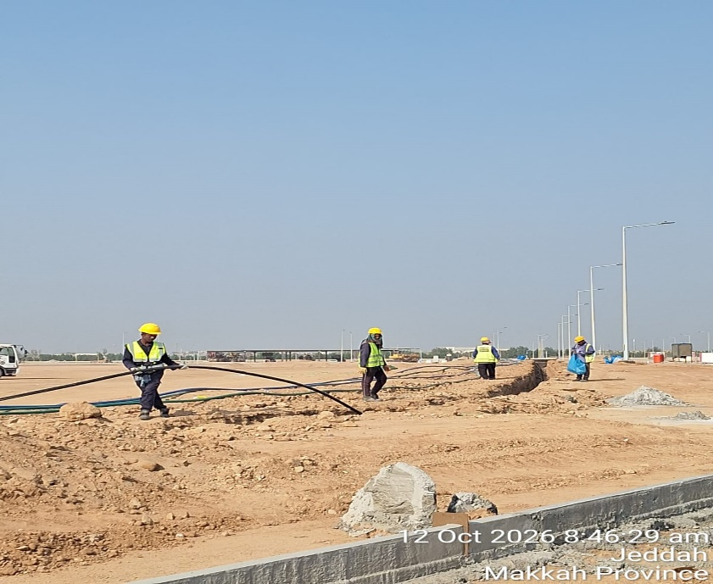 | 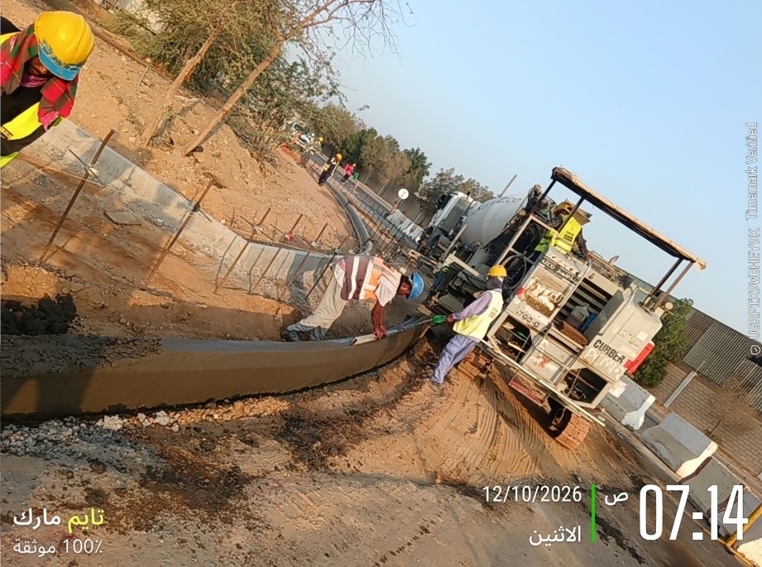

L01 - Excavation of Telecom Pipes | Curbston Works K4
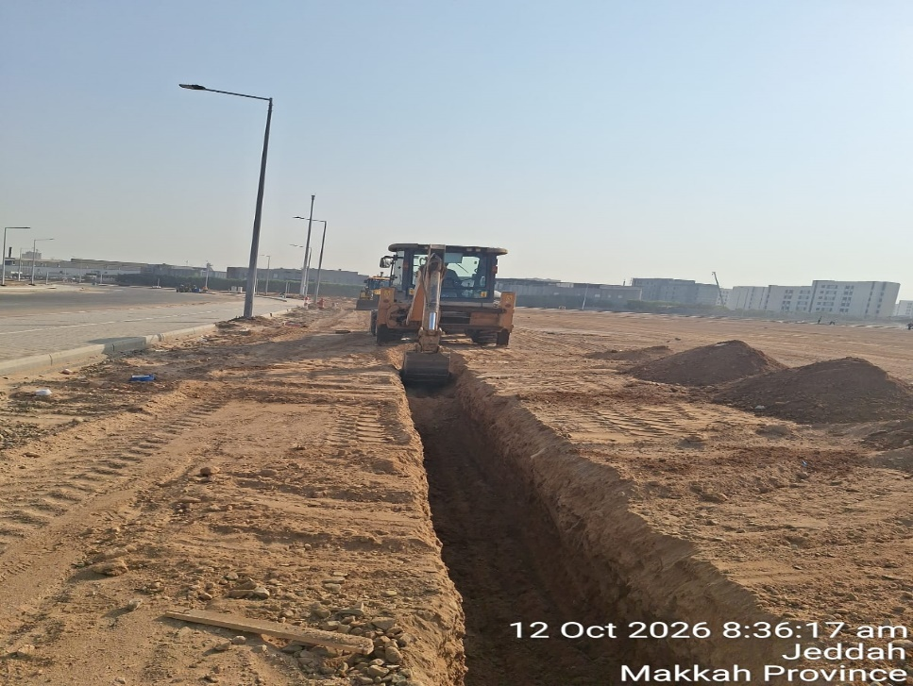 | 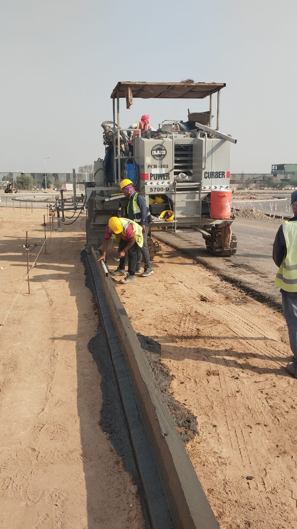

Take asphalt core for BWC at local 2 & local 6 | Installation of street lights fuse box of local 1
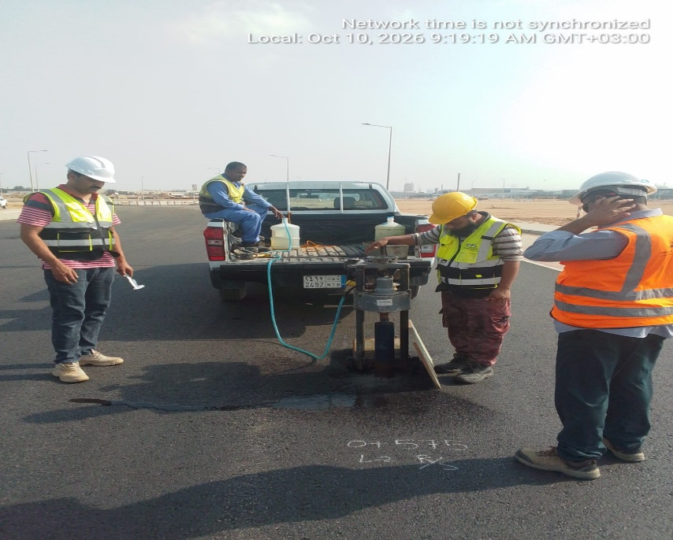 | 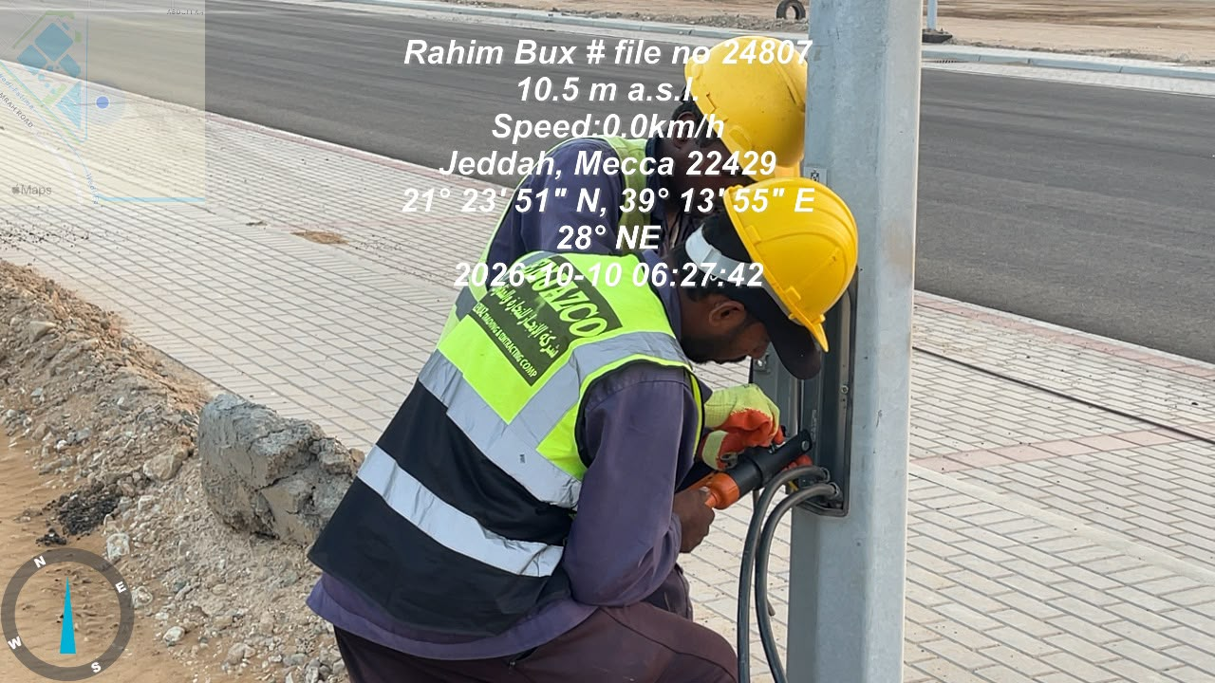

Installation of Light Poles foundation | TEL Manhole Installation
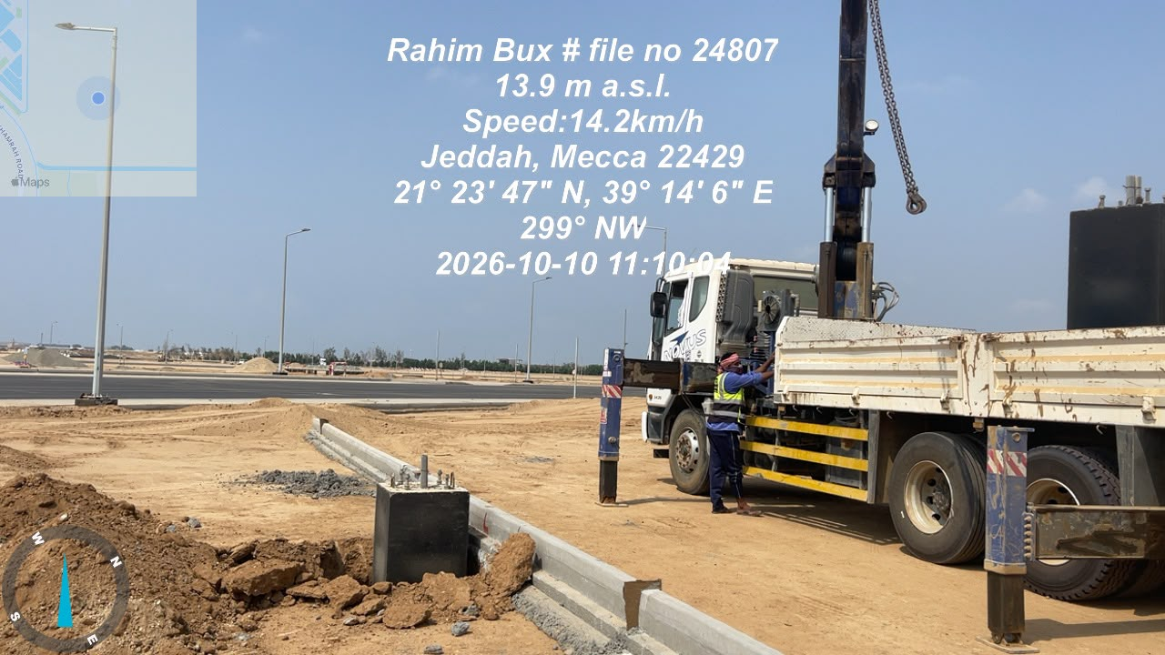 | 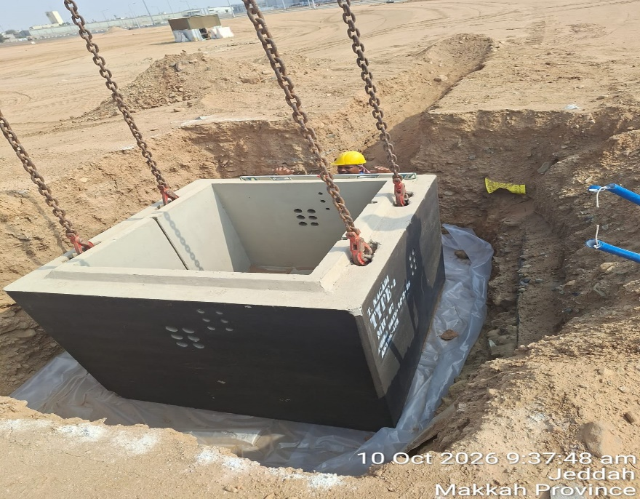

Manpower
MANUAL MANPOWER HISTOGRAM
 | Plan - Monthly | Actual - Monthly | Forecast - Monthly
Nov-25 | 23 | 35
Dec-25 | 102 | 93
Jan-26 | 88 | 148
Feb-26 | 117 | 140
Mar-26 | 90 | 134
Apr-26 | 139 | 155
May-26 | 115 | 192
Jun-26 | 160 | 196
Jul-26 | 177 | 194
Aug-26 | 229 | 196
Sep-26 | 239 | 135
Oct-26 | 148 | 220
Nov-26 | 187 |  | 186.51038462
Dec-26 | 217 |  | 216.85923077
Jan-27 | 197 |  | 196.86745192
Feb-27 | 144 |  | 144.49875
Mar-27 | 169 |  | 168.55100962
Apr-27 | 110 |  | 109.75317308
May-27 | 147 |  | 146.73245192
Jun-27 | 137 |  | 136.75451923
Jul-27 | 83 |  | 82.861826923
Aug-27 | 53 |  | 52.513269231
Sep-27 | 65 |  | 64.718509615
Oct-27 | 18 |  | 17.514615385
Nov-27 | 17 |  | 17.427884615
Head-Count ( Non Manual)
MONTHS | Nov-25 | Dec-25 | Jan-26 | Feb-26 | Mar-26 | Apr-26 | May-26 | Jun-26 | Jul-26 | Aug-26 | Sep-26 | Oct-26 | Nov-26 | Dec-26 | Jan-27 | Feb-27 | Mar-27 | Apr-27 | May-27 | Jun-27 | Jul-27 | Aug-27 | Sep-27 | Oct-27 | Nov-27 |  |  |  |  |  | non direct
Plan - Monthly | 20 | 20 | 21 | 21 | 22 | 22 | 22 | 22 | 22 | 22 | 22 | 22 | 21 | 21 | 21 | 20 | 20 | 20 | 20 | 20 | 20 | 20 | 20 | 20 | 14
Planned - Cumulative | 20 | 40 | 61 | 82 | 104 | 126 | 148 | 170 | 192 | 214 | 236 | 258 | 279 | 300 | 321 | 341 | 361 | 381 | 401 | 421 | 441 | 461 | 481 | 501 | 515
Actual - Monthly | 30 | 40 | 54 | 54 | 52 | 52 | 52 | 52 | 52 | 52 | 47 | 48 |  |  |  |  |  |  |  |  |  |  |  |  |  |  |  |  |  |  | daily report
Actual Cumulative | 30 | 70 | 124 | 178 | 230 | 282 | 334 | 386 | 438 | 490 | 537 | 585
Forecast - Monthly |  |  |  |  |  |  |  |  |  |  |  |  | 40 | 35 | 21 | 20 | 20 | 20 | 20 | 20 | 20 | 20 | 20 | 20 | 14
Saudi Monthly - Actual
Head-Count (Manual) |  |  |  |  |  |  |  |  |  |  |  |  |  |  |  |  |  |  |  |  |  |  |  |  |  |  |  |  |  |  | direct
MONTHS | Nov-25 | Dec-25 | Jan-26 | Feb-26 | Mar-26 | Apr-26 | May-26 | Jun-26 | Jul-26 | Aug-26 | Sep-26 | Oct-26 | Nov-26 | Dec-26 | Jan-27 | Feb-27 | Mar-27 | Apr-27 | May-27 | Jun-27 | Jul-27 | Aug-27 | Sep-27 | Oct-27 | Nov-27
Plan - Monthly | 23 | 102 | 88 | 117 | 90 | 139 | 115 | 160 | 177 | 229 | 239 | 148 | 187 | 217 | 197 | 144 | 169 | 110 | 147 | 137 | 83 | 53 | 65 | 18 | 17
Planned - Cumulative | 23 | 125 | 213 | 330 | 420 | 560 | 675 | 834 | 1012 | 1240 | 1480 | 1628 | 1815 | 2031 | 2228 | 2373 | 2541 | 2651 | 2798 | 2935 | 3017 | 3070 | 3135 | 3152 | 3170
Actual - Monthly | 35 | 93 | 148 | 140 | 134 | 155 | 192 | 196 | 194 | 196 | 135 | 220 |  |  |  |  |  |  |  |  |  |  |  |  |  |  |  |  |  |  | daily report | 31
Actual Cumulative | 35 | 128 | 276 | 416 | 550 | 705 | 897 | 1093 | 1287 | 1483 | 1618 | 1838
Forecast - Monthly |  |  |  |  |  |  |  |  |  |  |  |  | 187 | 217 | 197 | 144 | 169 | 110 | 147 | 137 | 83 | 53 | 65 | 18 | 17
Saudi - Actual

Head-Count (Non-Manual) |  |  |  |  |  |  |  |  |  |  |  |  |  |  |  |  |  |  |  |  |  |  |  |  |  |  |  |  | Month | Oct-26 | Nov-26
Planned | Actual |  | Variance |  | Forecast Next Month |  | Saudi Staff
22 | 48 |  | 26 |  | 40 |  | 6

Head-Count (Manual) |  |  |  |  |  |  |  |  |  |  | Man Power by Trade
Planned | Actual |  | Variance |  | Forecast Next Month |  | Saudi Staff |  |  |  | Key Trade |  | Labor |  | Skilled Labor |  | Driver / Operator |  | Carpenter |  | Steel Fixer |  | Mason |  | Plumber | Electrician | Others | Total
148 | 220 |  | 72 |  | 1877 |  | 0 |  |  |  | Plan |  | 40 |  | 26 |  | 60 |  | 5 |  | 5 |  | 2 |  | 8 | 2 | 0 | 148
 |  |  |  |  |  |  |  |  |  |  | Actual |  | 30 |  | 30 |  | 93 |  | 6 |  | 9 |  | 0 |  | 7 | 13 | 32 | 220

EQUIPMENT HISTOGRAM
 | Plan - Monthly | Actual - Monthly | Forecast - Monthly
Nov-25 | 0 | 20
Dec-25 | 4 | 52
Jan-26 | 12 | 83
Feb-26 | 19 | 75
Mar-26 | 14 | 69
Apr-26 | 30 | 69
May-26 | 30 | 94
Jun-26 | 53 | 98
Jul-26 | 56 | 96
Aug-26 | 77 | 98
Sep-26 | 89 | 54
Oct-26 | 60 | 93
Nov-26 | 56 |  | 55.820673077
Dec-26 | 59 |  | 58.884038462
Jan-27 | 56 |  | 55.691826923
Feb-27 | 44 |  | 43.872596154
Mar-27 | 46 |  | 46.043605769
Apr-27 | 20 |  | 19.948413462
May-27 | 26 |  | 25.574663462
Jun-27 | 19 |  | 19.375817308
Jul-27 | 13 |  | 12.954375
Aug-27 | 18 |  | 17.604903846
Sep-27 | 23 |  | 22.761105769
Oct-27 | 5 |  | 4.8529807692
Nov-27
Equipment
MONTHS | Nov-25 | Dec-25 | Jan-26 | Feb-26 | Mar-26 | Apr-26 | May-26 | Jun-26 | Jul-26 | Aug-26 | Sep-26 | Oct-26 | Nov-26 | Dec-26 | Jan-27 | Feb-27 | Mar-27 | Apr-27 | May-27 | Jun-27 | Jul-27 | Aug-27 | Sep-27 | Oct-27 | Nov-27
Plan - Monthly | 0 | 4 | 12 | 19 | 14 | 30 | 30 | 53 | 56 | 77 | 89 | 60 | 56 | 59 | 56 | 44 | 46 | 20 | 26 | 19 | 13 | 18 | 23 | 5
Planned - Cumulative | 0 | 4 | 15 | 34 | 49 | 78 | 108 | 161 | 217 | 294 | 383 | 443 | 499 | 558 | 613 | 657 | 703 | 723 | 749 | 768 | 781 | 799 | 822 | 826
Actual - Monthly | 20 | 52 | 83 | 75 | 69 | 69 | 94 | 98 | 96 | 98 | 54 | 93
Actual Cumulative | 20 | 72 | 155 | 230 | 299 | 368 | 462 | 560 | 564 | 564 | 564 | 564
Forecast - Monthly |  |  |  |  |  |  |  |  |  |  |  |  | 56 | 59 | 56 | 44 | 46 | 20 | 26 | 19 | 13 | 18 | 23 | 5

Equipment Count
Planned | Actual |  | Idle |  | Variance |  | Forecast Next Month
60 | 93 |  | 0 |  | 33 |  | 56

Type | Excavator | Loader | Bulldozer | Water Tanker | Grader | Truck | Road Roller | Asphalt Paver | Crane | Bobcat | Aggregate paver | Compactor | Other | Total
Plan | 3 | 3 | 2 | 3 | 4 | 12 | 3 | 0 | 2 | 0 | 0 | 0 | 28 | 60
Actual | 4 | 3 | 1 | 6 | 1 | 39 | 3 | 2 | 1 | 5 | 1 | 4 | 23 | 93
Idle | 0 | 0 | 0 | 0 | 0 | 0 | 0 | 0 | 0 | 0 | 0 | 0 | 0 | 0

Conclusion
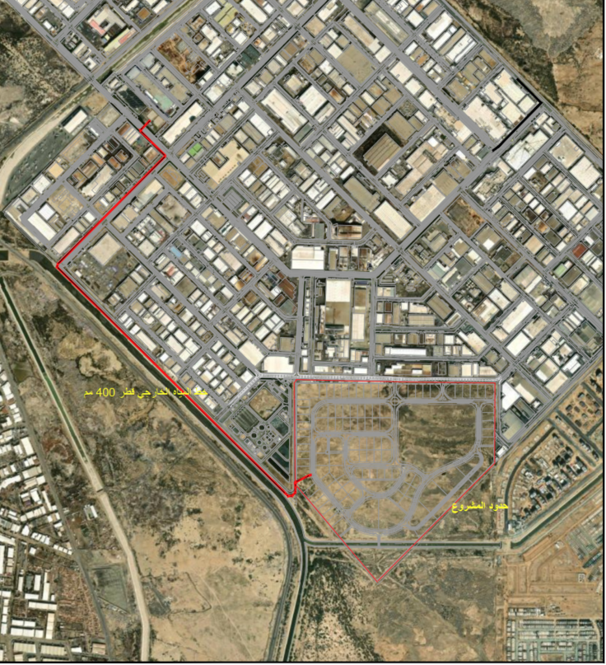
مشروع تطوير البنية التحتية بالمدينة الصناعية الاولى بجدة JDH1-02-003
معلومات المشروع |  |  |  |  | نطاق المشروع |  |  |  |  | موقع المشروع
المقاول | شركة الانجاز للتجارة والمقاولات | الاستشاري | شركة ايجيس السعودية للاستشارات |  | البند | الكمية الكلية | الكمية المنفذة | الكمية المتبقية | نسبة المنفذ
تاريخ استلام الموقع | 2025-11-19 | مدة التنفيذ | 24 شهرًا ميلاديًا |  | اعمال الازالة | 100.0% | 100.0% | 0.0% | 100.0%
بداية العقد | من تاريخ استلام الموقع | قيمة العقد (شامل ضريبة القيمة المضافة) | 86,782,345 | #REF! | الطرق و المواقف | 100.0% | 81.8% | 18.2% | 81.8%
نسبة الإنجاز المخطط له | 52.70% | نسبة الإنجاز الفعلي | 78.26% |  | الاعمال الكهربائية | 100.0% | 55.1% | 44.9% | 55.1%
 |  |  |  |  | اعمال شبكة مياه الشرب | 100.0% | 94.7% | 5.3% | 94.7%
 |  |  |  |  | اعمال شبكة مياه الري | 100.0% | 95.3% | 4.7% | 95.3%
ملخص جدول الكميات |  |  |  |  | اعمال شبكة السيول | 100.0% | 97.68% | 2.32% | 97.68%
مكونات المشروع |  | التكلفة (غير شامل ضريبة القيمة المضافة) | النسبة الاجمالية |  | اعمال شبكة الصرف الصحي | 100.0% | 97.0% | 3.0% | 97.0% |  | 20865877 | 20423520.408
الطرق و المواقف |  | 21,303,539 | 24.5% |  | اعمال الاسوار والبوابات | 100.0% | 65.85% | 34.2% | 65.9% | تقدم أعمال layout | 10508920 | 10286130.896
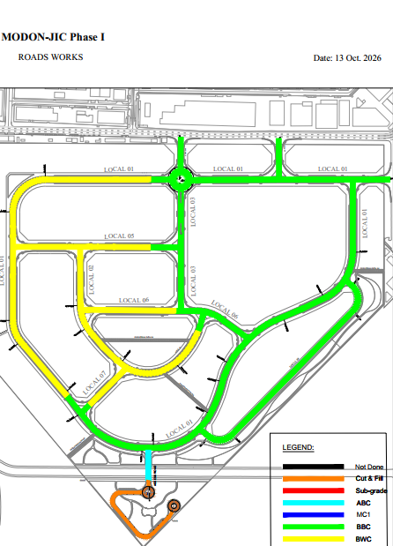
الاعمال الكهربائية |  | 15,060,436 | 17.4% |  | اعمال الكوبري | 100.0% | 72.8% | 27.2% | 72.8% |  | 23728460 | 23225416.648
اعمال شبكة مياه الشرب |  | 8,476,992 | 9.8% |  | اعمال الاند سكيب | 100.0% | 0.0% | 100.0% | 0.0% |  | 7970089 | 7801123.1132
موقع المشروع
اعمال شبكة مياه الري |  | 7,038,125 | 8.1% |  | ملخص التوريدات |  |  |  |  |  | 8842925 | 8655454.99
اعمال شبكة السيول |  | 14,055,612 | 16.2% |  | البند | الكمية الكلية | الكمية المورده | الكمية المتبقية | نسبة التوريد
اعمال شبكة الصرف الصحي |  | 6,688,001 | 7.7% |  | Steel Reinforcement | 126 | 126 | - | 100%
اعمال الاسوار والبوابات |  | 7,099,976 | 8.2% |  | Precast Concrete Kerb | 59,990 | 59,990 | - | 100%
اعمال الكوبري |  | 3,909,548 | 4.5% |  | Interlocking Block Pavers | 57,905 | 57,905 | - | 100% |  |  |  | 5041
اعمال الاند سكيب |  | 3,150,115 | 3.6% |  | Metal Fence | 2,295 | 2,295 | - | 100% |  |  |  | 12075.28
الإجمالي للمشروع |  | 86,782,345 | 100.0% |  | GRP Pipes for Sewer network | 6,244 | 6,244 | - | 100% |  |  |  | 8502
معالم البرنامج الزمني |  |  |  |  | Fiberglass Manholes for Sewer network | 122 | 122 | - | 100% |  |  |  | 5775.1
البند |  | التاريخ حسب الجدول الزمني | ملاحظة |  | GRP Pipes for Storm network | 5,650 | 5,650 | - | 100%
نهاية الشروع |  | 2027-11-18 |  |  | Inlet Manholes for Storm network | 130 | 130 | - | 100%
بداية المشروع |  | 2025-11-19 | تم البدء |  | Concrete chambers | 189 | 189.00 | - | 100%
تجهيزات الموقع. |  | 2025-12-18 | تم الانتهاء |  | HDPE Pipe (PN 16) for Ptable Water | 12,075 | 12,075 | - | 100%
تقديم خطة العمل والبرنامج الزمني |  | 2025-12-18 | تم الانتهاء |  | HDPE Pipe (PN 16) for TSE | 8,722 | 8,722 | - | 100%
تقديم واعتماد المخططات والمواد |  | 2026-01-19 | جاري التنفيذ |  | التحديات والعوائق
الانتهاء من اصدار جميع أوامر الشراء |  | 2026-01-19 | جاري التنفيذ |  | في انتظار تحديث اتفاقية الكهرباء بين مدن والشركة السعودية للكهرباء بخصوص شبكة الجهد المتوسط
الانتهاء من نطاق أعمال الطرق والجهد المتوسط |  | 2026-09-17 | جاري التنفيذ
الانتهاء من نطاق أعمال الشبكات العميقة |  | 2026-11-18 | جاري التنفيذ
الانتهاء من نطاق جميع أعمال الشبكات |  | 2027-03-18 | جاري التنفيذ
الانتهاء من كامل الأعمال |  | 2027-11-18 | لم يبدأ

